Bank book-AXIS
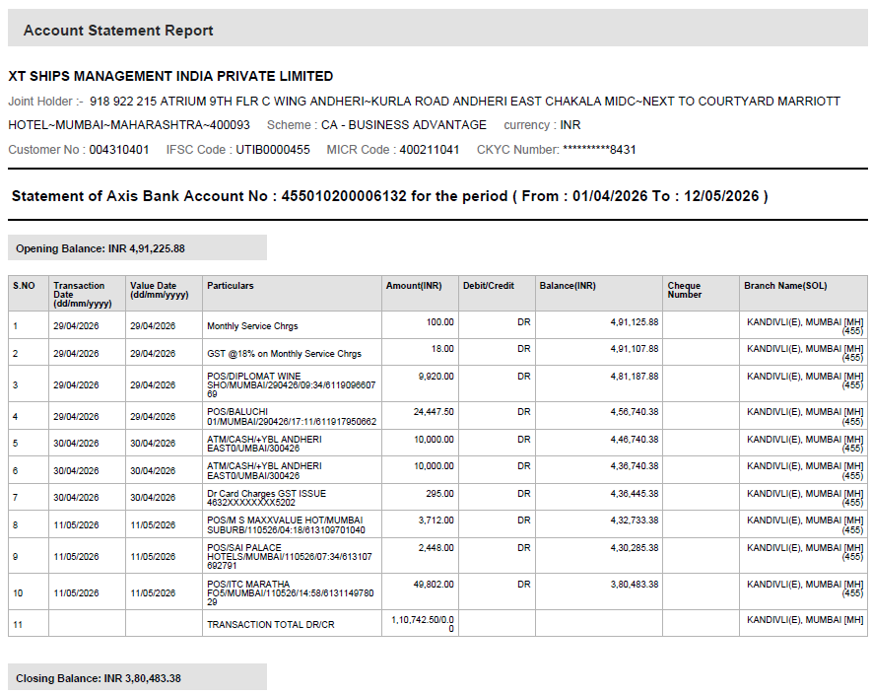
AXIS BANK STATEMENT - A/c 455010200006132 (01.04.2026 to 12.05.2026; balance as on 30.04.2026 Rs 4,36,445.38)

